CALCOLO API-KOM-V (2)
 |  | KO DRUM | KO DRUM | Total Area | Cross Sectional | Cross Sectional | Vertical Depth | Vapor | Total | Liquid | Vapor | Required |  | 立式分液罐
 |  | Inside D | Lenght |  | Area Liquid Hold-up | Area Vapor | of Liquid | Space | Depth | Dropout time | velocity | drum Lenght |  | Temperature = |  | 75 | °C
 | Trial Nr | Di | L | At | Al | 20170711 | hl | hv | ht | Θ | uv | Lmin |  |  |  | 348.15 | K
 | 1 | 1.5 | 2.7 | 1.76625 | 1.767144375 | -0.000894375 | 0.36 | 2.7 | 3.06 | 3.8028169014 | 0.68099926559 | 2.589715517 |  | Pressure= |  | 0.95 | kg/cm2(G)
 | DRUM CALCULATION (No:PK-811) |  |  |  |  |  |  |  |  |  |  |  |  | MW = |  | 54.10
 |  |  |  |  |  |  |  |  |  |  |  |  |  | Density = |  | 2.41 | kg/Nm3
 | Temperature | 75 | °C |  |  |  |  |  |  |  |  |  |  |  |  | 3.69 | kg/m3
 |  | 348.15 | K
 | MW | 54.1
 | Pressure | 0.95 | kg/cm2(G)
 | d1= | 12 | inch
 |  | 300 | mm |  |  |  |  |  |  |  |  |  |  | Flow= |  | 32000.00 | kg/hr
 | Release Time | 30 | minutes |  |  |  |  |  |  |  |  |  |  |  | Time | 30.00 | min | (20-30)
 |  |  |  |  |  |  |  |  |  |  |  |  |  | Flow= |  | 16000.00 | kg/hr
 | Gas Flow rate |  |  |  | Liquid Dropout Time |  |  |  |  |  |  |  |  |  |  | 1.20 | m3/s
 | W = | 32000 | kg/h |  | Θ= | 3.80 | sec

 | KO DRUM Diameter |  |  |  | Vapor Velocity |  |  |  |  |  |  |  | water deep h 4 | h4= | m | 0.0969
 | d 4 = | 1.5 | m |  | Uv = | 0.68 | m/s |  |  |  |  |  |  | p= | kg/cm2(G) | 0.95
 |  |  |  |  |  |  |  |  |  |  |  |  |  | ρ - 液体的密度 | (kg/m3) | 1000.00
 | KO DRUM Lenght |  |  |  | Required KO Drum Lenght
 | h2 = | 2.7 | m |  | h2 min = | 2.59 | m |  |  |  |  |  | seal drum d 5 | D - 罐直徑 | m | 1.2
 | h3 = | 0.81 | m |  |  | VERIFIED |  |  |  |  |  |  |  | d-入口管直徑 | m | 0.6
 | Required Seal Drum Diameter |  |  |  | Required KO Drum Diameter
 | d 5 = | 1.5 | m |  | d 4 min= | 1.47 | m |  |  |  |  |  | seal drum h 1 |  | m | 2.20
 | d 2 = | 0.6 | m |  |  | VERIFIED
 | d 3 = | 0.3 | m
 | h1 = | 2.4 | m
 | h4 = | 0.3 | m
 | h5 = | 1.5 | m
 | h6 = | 1.5 | m
 | h7 = | 0.2 | m
 | Liquid Hold-up Depth |  |  |  | Liquid Holdup Volume |  |  |  |  |  |  |  |  |  | inch | 24
 | h = | 0.36 |  |  | Vl = | 4.77 | mc |  |  |  |  |  |  | k2 |  | 1.5 | (0.5-1)
 |  |  |  |  |  |  |  |  |  |  |  |  |  | h2= | m | 0.72 | (>1)
 | Droplet Diameter |  |  |  | Required Seal Drum Lenght |  |  |  |  |  |  |  |  |  |  | 1
 | d = | 400 | micron |  | h1 min = | 2.40 | m |  |  |  |  |  |  | Acs | m2 | 1.70
 |  |  |  |  |  | VERIFIED |  |  |  |  |  |  | K.O.D d 4 | D= | m | 1.47
 | Liquid Density |  |  |  | Required Seal Drum Diameter
 | ρL = | 650 | kg/m3 |  | d 5 min= | 1.20 | m
 |  |  |  |  |  | VERIFIED
 | Vapor Density
 | ρv = | 3.70 | kg/m3
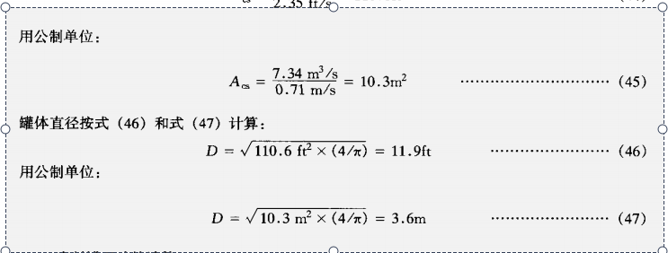
 |  |  |  |  | Particle Dropout Velocity
 | Vapor viscosity |  |  |  | Uc= | 0.710 | m/s
 | µ = | 0.010056 | cp

 | ITAS JOB | C11595/05 | REV | 0 | DATE | 27-03-2020 |  | AUTHOR | Picardi

 |  |  |  |  | Uc =m/s(Vertical type) | 0.71

 | Drop out Velocity Calculation

 | C(Re)2 | C | Uc m/s
 | 19648.479679 | 0.8 | 1.064646166

 | Calcolo Cross Sectional Area

delta | C | alfa | a | A | Holdup Volume case1 | Holdup Volume case2
0.36 | 1.2812493902 | 2.0478907522 | 1.5359180641 | 1.767144375 | 4.7712898125 | 2.5391801561

1.14 | 1.2812493902 | 2.0478907522 | 1.5359180641 | 0.82581290515 | 2.2296948439

